Application
2026 Residential Efficiency Program Space Heating - Market Rate - Partner Bonus Program Incentive Application

Partner Information

Company Name:

Name/Title: |  |  |  |  |  | Business Phone: |  | Cell Phone:

Address: |  |  |  |  |  | City: |  | Zip:

Incentive Guidelines

 | 8 Market Rate Projects Minimum
 | To qualify for the applicable incentive, the minimum of 8 Market Rate projects must be completed by the date indicated in Closing Documents Submitted Deadline column. Partner Bonus Incentive Applications must be submitted prior to the date indicated in the below Partner Bonus Incentive Application Submittal Deadline.
 | Incentive Per Completed Project |  | Application Submittal Date (On or After) |  | Closing Documents Submitted Deadline |  | Partner Bonus Program Incentive Application Submittal Deadline | Maximum Incentive
 | $1,000 |  | 2026-08-01 |  | 2026-12-11 |  | 2026-12-18 | $100,000

Proposed Incentive

 |  | From Project Log Tab
 |  | Total Qualifying Projects |  |  | Total Estimated Partner Bonus Incentive

Program Requirements/Steps to Participate
* | PSEG Long Island reserves the right to modify or withdraw these incentives at any time
* | PSEG Long Island has the right to bar a Partner from participating in the program for any reason
* | Partner must be in good standing with PSEG Long Island in order to participate in Partner Bonus Program Incentive
* | PSEG Long Island will utilize Required Documents from the Customer Application, e-mails, Partner Portal timestamps, and other relevant data to verify information in the Partner Bonus Program Incentive Application
* | Minimum of 8 market rate projects are required to qualify for the bonus starting on or after 8/1/2026-12/11/2026
 | * | Bonus is only applicable to projects that are considered "Market Rate". These are customers/projects that do not receive "enhanced incentives" due to income determination screening
 | * | Bonus is only applicable for single family buildings defined as buildings with 1 - 4 dwelling units
 | * | Bonus incentive is only applicable to projects containing whole house space heating solutions within the scope of work (ccASHP, A2WHP, GSHP, Combo Space Heating)
* | Bonus incentives are set at $1,000 per Market Rate project closed by the deadline in the above table
* | Maximum per Partner incentive cap of $100,000.
* | All projects qualifying for the bonus incentives must have an Application Submittal Date on or after 8/1/2026 and the associated closing documents submitted no later then 12/11/2026
* | PSEG Long Island will use any and all project communications, required documents and any other documents/communications to validate project start and finish dates.
* | Units must be installed by a Home Comfort/Home Performance participating Program Partner
 | * | Partner name must be listed in the Rebate Application Workbook in the Contractor Section (Company Name field)
 | * | Multiple Partners cannot apply for the same project
 | * | Partner name must appear on the invoice that accompanies the Customer Application
* | Qualified projects must be submitted through the PSEG Long Island Lead Partner Portal to be eligible for the Bonus Incentive
* | PSEG Long Island Project Number
 | * | Obtain the PSEG Long Island Project Number from the Lead Partner Portal or a PSEG Long Island Representative
Space Heating - Market Rate - Partner Bonus Program Incentive Application: Project Submittal

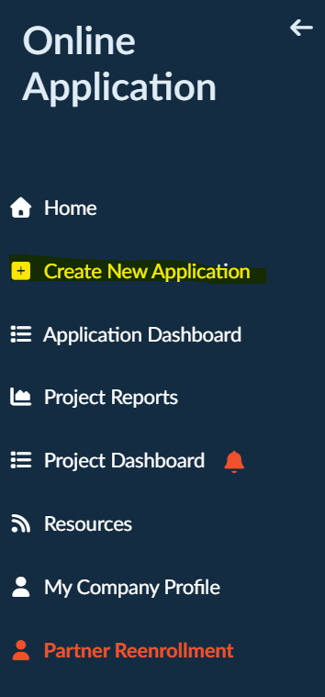
1. | Partner will log in to Partner Portal and navigate to “Online Application” tabs and click “Create New Application”

2. | Partner will complete “Customer Information” and "Project Information" sections
 | a. All *Required Fields must be entered
 | Step 1. | “*CAS Account Number” field enter the Market Rate Partner Bonus Program Incentive CAS Account Number: 3333344444
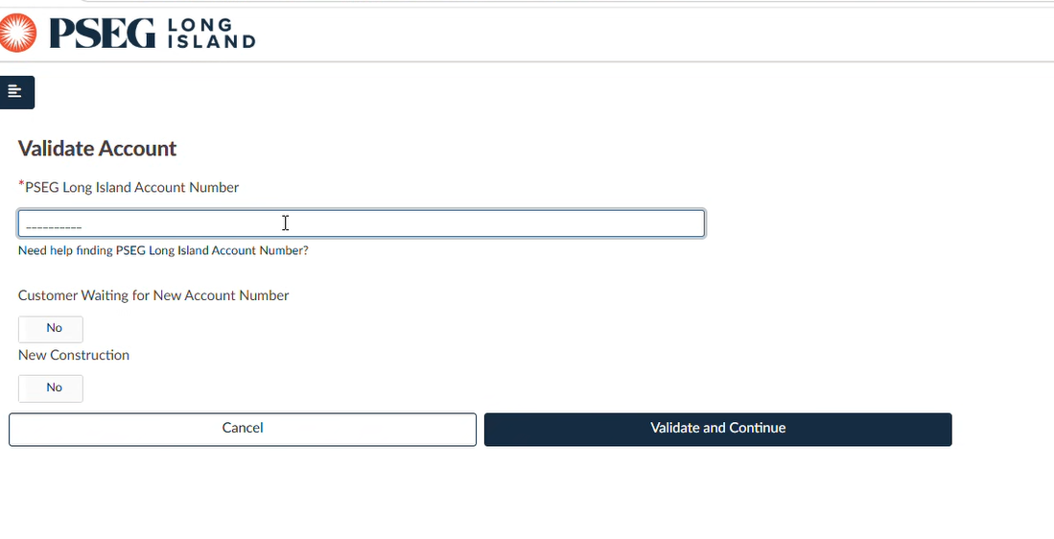

 | Step 2. | “Account Type” select “Residential”
 | Step 3. | “Application Type” select “Other”
 | Step 4. | “Account Name” select "Market Rate Incentive Bonus Project"
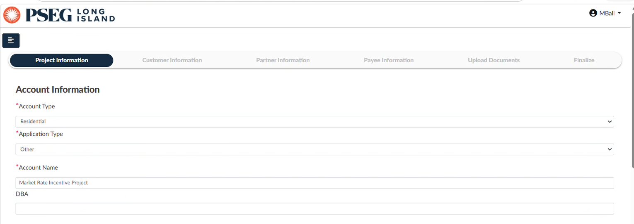

 | Step 5. | “Installation Address” fields enter Company Address

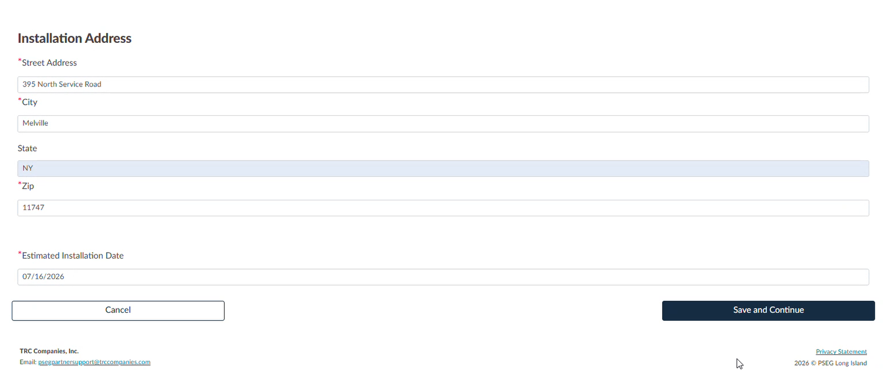

 | Step 6. | “Customer Information” fields enter Partner Information
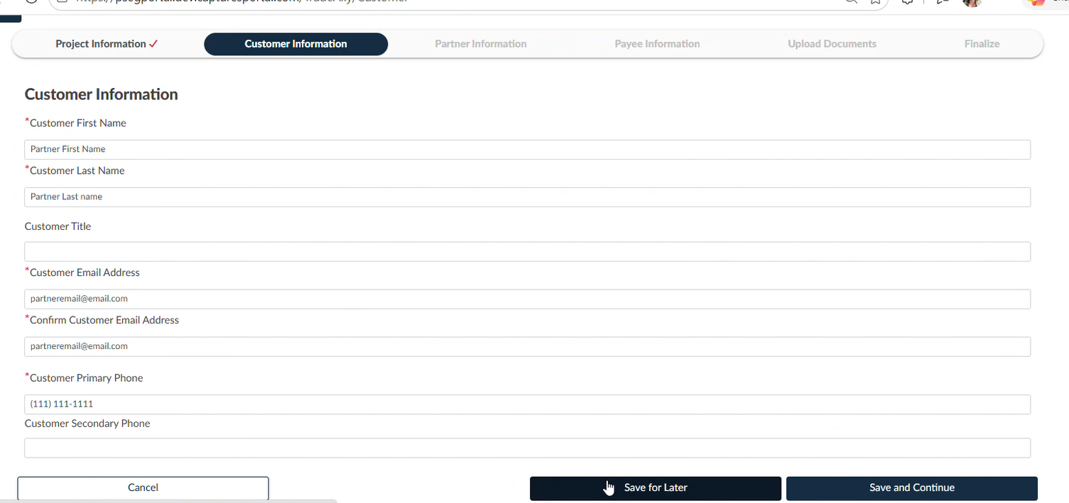

3. | In the "Partner Information" section, confirm "Partner" and "Payee" information is correct. Select "Yes" to assign the rebate to the partner.
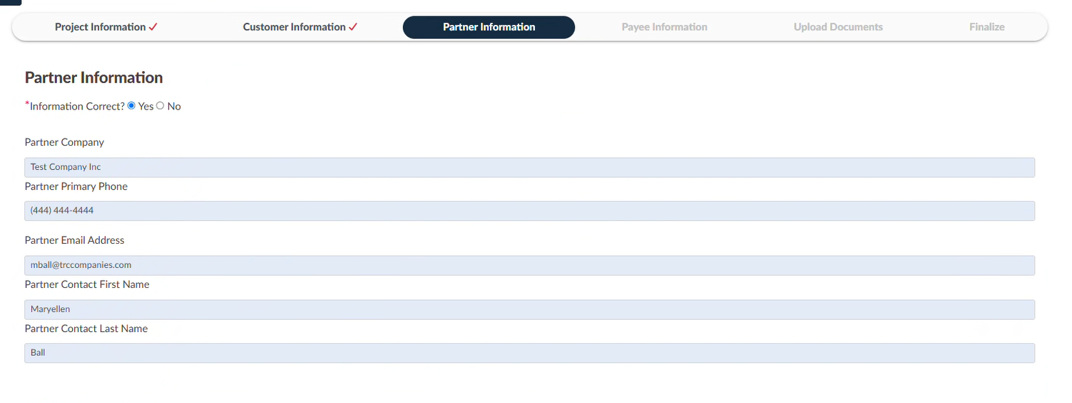

4. | In the "Upload Documents" section, select "Yes" all signatures have been obtained

5. | In the "Upload Documents" section, under "Required Documents", upload and submit completed Market Rate Project Contractor Bonus application and select the file type "Application Workbook"; Once uploaded hit Save and Continue to finish project submittal

Project Tracking
1. | Navigate to the PSEG Long Island Partner Portal and login: |  |  | https://www.pseglinyportal.com/Account
2. | In the top left of the Portal navigate to the menu button

3. | Click on Project Reports to generate reports on all projects in process and completed
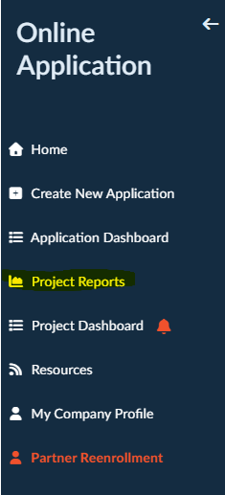

 | Once the Excel report is opened, filter by Program name to "ASHP", "HPwES: Combo Market (HEMI)", and "HPwES: Combo Market (HEMI) Loan"

Application Version: |  | 1.0 |  |  |  |  |  | Effective: | 8.1.2026

